1. Title Page
Project Name: Instacart Grocery Basket Analysis
Date: June 9th 2023
Analyst Name: Sanya Mohsini

Contents:
Population Flow
Consistency checks
Wrangling steps
Column derivations
Visualizations
Recommendations

Data Citation: “The Instacart Online Grocery Shopping Dataset 2017”, Accessed from www.instacart.com/datasets/grocery-shopping-2017 via Kaggle May 2023.
Note: Customer data as well as prices were both fabricaed for the purpose of this project

2. Population Flow
Title page

Population flow

Exclusion flag
Condition: max_order < 5
Obervations to be removed: 1440295
Final total count of order_products_all: 30964564

Orders_products_combined
Orders_products_merged
Orders_products_all

Total: 32404859
Total: 32434489
Total: 32404859

1.) The grey boxes in the first row of the population flow represent the original data sets as they were when you downloaded them. In the Total fields you need to add the count of the rows when you imported the data set into Jupyter.
2.) The second row of boxes (coloured) represents the data sets after you manipulated them, e.g., removed missing values and duplicates. In the Total fields you need to add the count of the rows after conducting these operations. This offers a visual oveview of how the data flows throughout the data consistency checks.
3.) The third row, where also the arrows are coloured, represents the merges you performed between the datasets. In the Total fields you need to add the count of the rows in the merged datasets, so that you end up with the final dataset (in the red box). Keep in mind the final dataset should be without exclusions (based on the exclusion flag).

3. Consistency checks
 |  |  |  | Title page
Consistency checks

Dataset | Missing values | Missing values treatment | Duplicates
orders | 206209 missing values in 'days_since_last_order' | Chose not to make any changes to missing values as it doesn’t not make sense to impute a value or filter out the data. We can identify with order_number =1 that they are a new customer | No duplicates found
products | 16 missing values in 'product_name' | Dropped the rows with missing values | 5 duplicates found
orders_products_prior | No missing values |  | No duplicates found
customers | No missing values |  | No duplicates found

4. Wrangling steps
 |  |  |  | Title page
Wrangling steps

Columns dropped | Columns renamed | Columns' type changed | Comment/Reason
eval_set from orders |  |  | Column not needed for further analysis
 | order_dow from orders to orders_day_of_week |  | For better understanding
 |  | order_id from orders to string | Unique identifier and not an integer
 |  | user_id from orders to string | Unique identifier and not an integer
 | days_since_prior_order to days_since_last_order |  | For better understanding
 | First Name in customers to first_name |  | For uniformity
 | Surnam in customers to last_name |  | For uniformity / clarity
 | Gender in customers to gender |  | For uniformity
 | STATE in customers to state |  | For uniformity
 | Age in customers to age |  | For uniformity
 | n_dependants in customers to num_of_dependants |  | For clarity
 |  | first_name in customers to string | mixed data type
first_name in customers |  |  | PII - security reasons
last_name in customers |  |  | PII - security reasons

5. Column derivations
 |  |  |  |  | Title page

Column derivations and aggregations

Dataset | New column | Column/s it was derived from | Conditions | Frequencies
df_ords_prods_merged | price_range_loc | prices | > 15 high-range product | High-range product: 417678
 |  |  | price >5 and <=15 mid-range product | Mid-range product: 756450
 |  |  | <=5 low-range product | Low-range product: 10126321
df_ords_prods_merged | busiest_day | orders_day_of_week | 0 = busiest day | busiest day: 6204182
 |  |  | 4 = least busy | least busy: 3783802
 |  |  | all others: regularly busy | regularly busy: 22416875
df_ords_prods_merged | busiest_days | orders_day_of_week | 0 or 1 = busiest days | busiest days: 11864412
 |  |  | 4 or 3 = slowest days | slowest days: 7624336
 |  |  | all others: regularly busy | regularly busy: 12916111
df_ords_prods_merged | busiest_period_of_day | order_hour_of_day | 10, 11, 14, 15, 13, 12, 16, 9 = most orders | most orders: 21118071
 |  |  | 23,6,0,1,5,2,4,3 = fewest orders | fewest orders: 1289137
 |  |  | all others: average orders | average orders: 9997651
df_ords_prods_merged | max_order | order_number | Data grouped by user_id and order_number transformed into maximum of order_number
df_ords_prods_merged | loyalty_flag | max_order | >40 = loyal customer | loyal customer: 10284093
 |  |  | <=40 & >10 =regular customer | regular customer: 15876776
 |  |  | <=10 = new customer | new customer: 6243990
df_ords_prods_merged | mean_price | prices | Data grouped by user_id and prices, transformed into mean_price
df_ords_prods_merged | spending_flag | mean_price | <10 = low spender | low spender: 31770614
 |  |  | >=10 = high spender | high spender: 634245
df_ords_prods_merged | median_days_last_order | days_since_last_order | Data grouped by user_id and days_since_last_order, transformed into median days last order
df_ords_prods_merged | frequency_flag | median_days_last_order | >20 = non-frequent customer | non-frequent customer: NaN
 |  |  | >10 and <=20 = regular customer | regular customer: 10845001
 |  |  | <=10 frequent customer | frequent customer: 21559853
df_combined | region | state | Northeast | Northeast: 5722736
 |  |  | Midwest | Midwest: 7597325
 |  |  | South | South: 10791885
 |  |  | West | West: 9292913
df_combined | low_order_flag | max_order | <5 = low-activity customer | low-activity customer: 1440295
 |  |  | >=5 = high-activity customer | high-activity customer: 30964564
df_combined | age_profile | age | <=35 = young | young: 9146419
 |  |  | >35 and <65 = middle-aged | middle-aged: 14683356
 |  |  | >=65 = senior | senior: 8575804
df_combined | income_profile | income | <75000 = low income | low income: 10442766
 |  |  | >=75000 and <125000 = mid income | mid income: 13331136
 |  |  | >=125000 high income | high income: 8630957
df_combined | vegan_profile | department_id | If customer has no orders from 12 and 16 = vegan | vegan: 383437
 |  |  | Otherwise: non-vegan | non-vegan: 32021432
df_combined | pet_profile | department_id | If customer has no orders from 8 = non-pet owner | non-pet owner: 28876718
 |  |  | Otherwise: pet owner | pet owner: 3528141
df_combined | family_profile | fam_status and num_of_dependants | fam_status = married & num_of_dependants = 1 =married, no children/dependants | married, no children/dependants: 7550904
 |  |  | fam_status = married & num_of_dependants >=2 =married, with children/dependants | married, with children/dependants: 15205849
 |  |  | fam_status doesn’t = married & num_of_dependants = 0 = single, no children/dependants | single, no children/dependants: 8097503
 |  |  | fam_status doesn’t = married & num_of_dependants >=0 = single, withchildren/dependants | single, with children/dependants: 1550603

6. Visualizations
 |  |  |  |  |  |  | Title page

Visualisations

Key Questions
1. What are the busiest days of the week and busiest hours of the day?

 | This bar chart shows the number of orders (y-axis) by day of the week (x-axis).
 | The days of the week are:
 | 0 = Saturday
 | 1 = Sunday
 | 2 = Monday
 | 3 = Tuesday
 | 4= Wednesday
 | 5 = Thursday
 | 6= Friday

 | The busiest days of the week are: Saturday, Sunday and Friday



 | This histogram chart shows the number of orders (y-axis) by hour of the day (x-axis).
 | The hours of the day are nummered by military time.

 | The busiest hours of the day are from 10-17 (10am-5pm).
 | The least busiest hours of the day are from 23-6 (11pm-6am).

2. Are there particular times of the day when people spend the most money?


 | The line chart illustrates the average price of ordered items by the order hour of the day.

 | The line chart illustrates that there is not a huge difference in the average price for different hours of the day.
 | The average price for orders peaks at about 4am and is lowest at 10am however the price difference is rather small.

3. Marketing and sales wants to use simpler price range groups to help direct their efforts

See Tab 5 Column Derivations
Frequencies | Conditions:
High-range product: 417678 | > 15 high-range product
Mid-range product: 756450 | price >5 and <=15 mid-range product
Low-range product: 10126321 | <=5 low-range product

Most common products are in the $5 below range

4. Are certain products more popular?
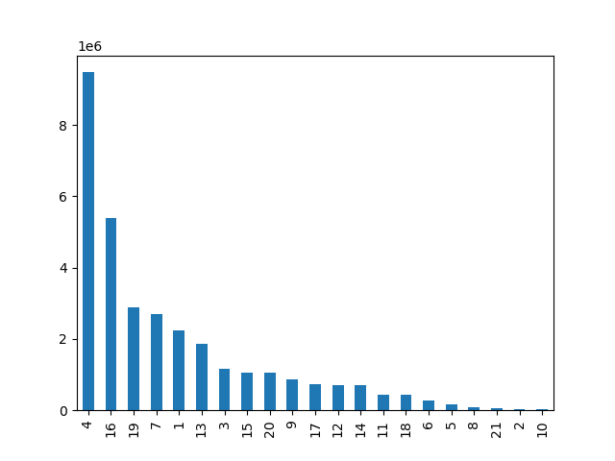

 |  |  | This bar shows illustrates the number of products bought from various departments.

 |  |  | Departments are coded: 1 frozen, 2 other, 3 bakery, 4 produce, 5 alcohol, 6 international, 7 beverages,
 |  |  | 8 pets, 9 dry goods pasta, 10 bulk, 11 personal care, 12 meat seafood, 13 pantry, 14 breakfast, 15 canned goods,
 |  |  | 16 dairy eggs, 17 household, 18 babies, 19 snacks, 20 deli, 21 missing

 |  |  | The most popular products are produce, following by dairy/eggs and snacks.
 |  |  | The least popular prducts are bulk, other, missing and pets

5. What’s the distribution among users in regards to their brand loyalty (i.e., how often do they return to Instacart)?

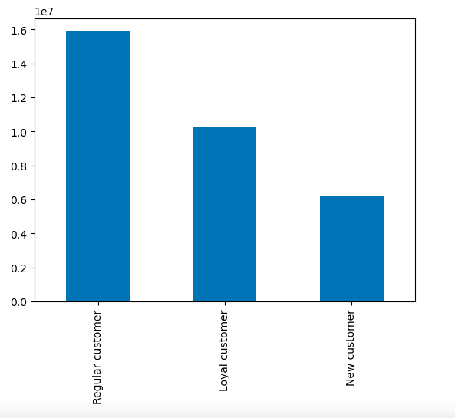
 |  |  | This bar chart shows 3 different types of customer groups: Loyal customers,
 |  |  | regular customers and new customers.

 |  |  | Loyal customers have placed more than 40 orders
 |  |  | Regular customers have placed between 10-40 orders
 |  |  | New customers have placed less than 10 orders

 |  |  | Regular customers make about 50% of customers.

6. Are there differences in ordering habits based on a customer’s loyalty status?
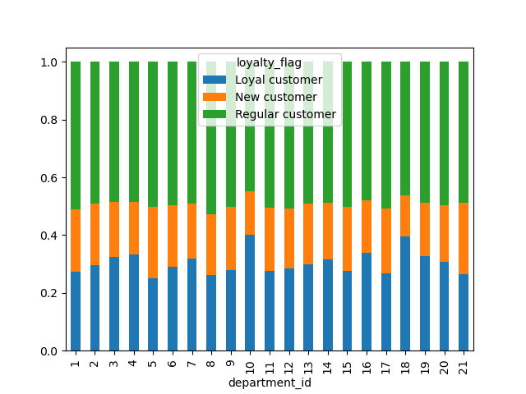

 |  |  |  | This stacked bar chart illustrates ordering habits based on customer's loyalty status.

 |  |  |  | Departments are coded: 1 frozen, 2 other, 3 bakery, 4 produce, 5 alcohol, 6 international, 7 beverages,
 |  |  |  | 8 pets, 9 dry goods pasta, 10 bulk, 11 personal care, 12 meat seafood, 13 pantry, 14 breakfast, 15 canned goods,
 |  |  |  | 16 dairy eggs, 17 household, 18 babies, 19 snacks, 20 deli, 21 missing

 |  |  |  | Regular customers purchase the most products from various departments. The ordering habits based on loyalty status
 |  |  |  | look pretty consistent, however loyal customers purchase more bulk (10) and baby products (18) than new customers.

7. Are there differences in ordering habits based on a customer’s region?
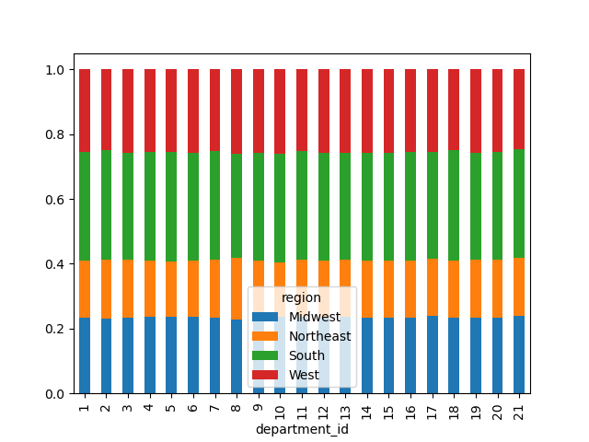
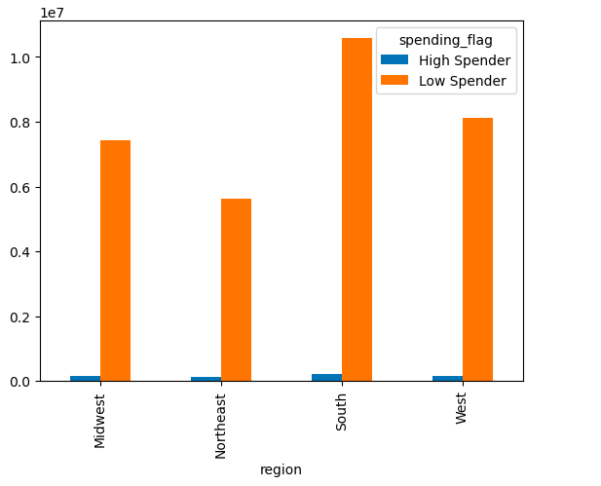

 |  |  |  |  | The stacked bar chart above demonstrates the relative amount
The bar graph above displays the proportion of high spends (10 or above) |  |  |  |  | of product ordered from different departments is consistent
and low spenders (under 10) in each region. |  |  |  |  | across all four regions.
The proportion of high spenders is signficantly lower compared to the
proportion of low spends in each of the regions.

The proportion of high spenders compared to lower spender is consistent
among the four regions.

8. Is there a connection between age and family status in terms of ordering habits?



The line chart above illustrates the relationship between customer |  |  |  | The scatterplot above shows the relationship between customer age
age and number of dependants they have. |  |  |  | and income.
There appears no signficant relationship between these two variables.
 |  |  |  | The chart shows that the mjaority of customers earn $200k or under.
 |  |  |  | However, at around age 40+ more customers earn above the $200k mark.
 |  |  |  | This shows that income generlly tends to increase after 40 years of age.

9. What different classifications does the demographic information suggest? Age? Income? Certain types of goods? Family status?
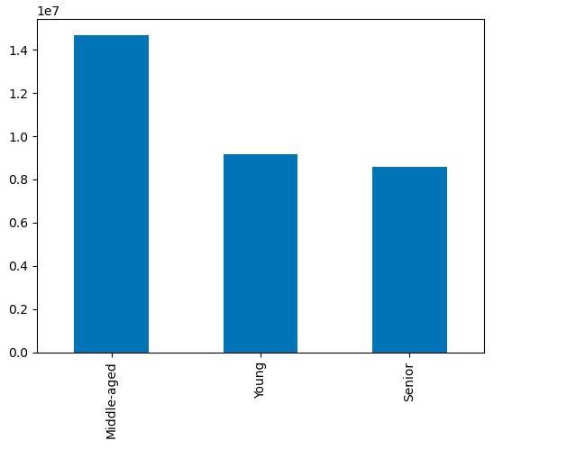
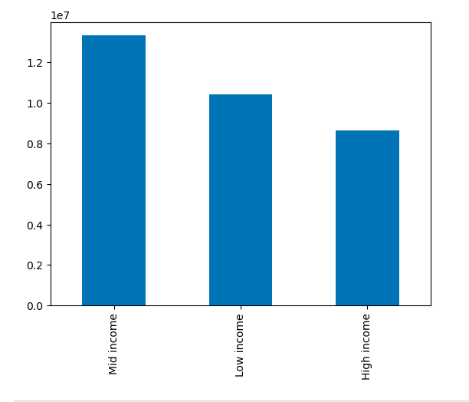
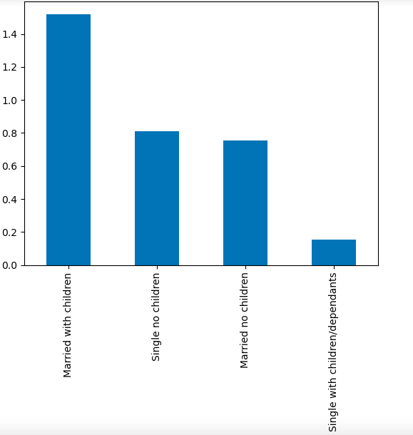

The bar chart above shows the frequency of ages among |  | The bar chart above demonstrates the frequency of different income
customers. The majority of customers are middle-aged |  | groups among customers. The majority of customers have a mid- income.
(between 35 and 65 years of age).

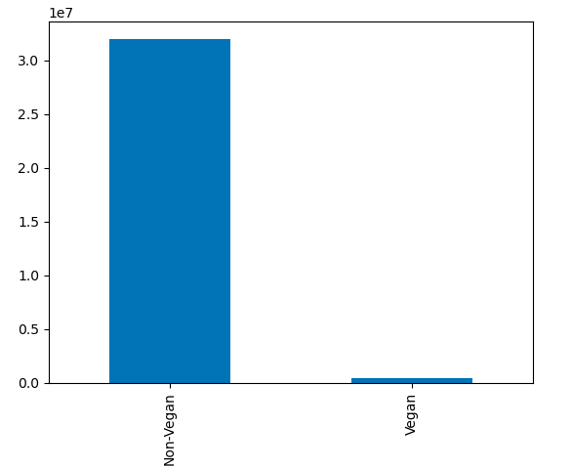
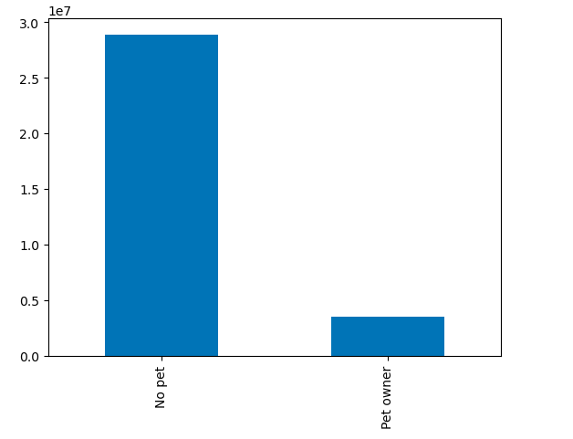
 |  |  |  |  |  | The bar chart above demonstrates the frequency of different family
 |  |  |  |  |  | groups among customers. The majority of customers are married with
 |  |  |  |  |  | children/dependants.

The bar chart above shows the frequency of customers |  | The bar chart above shows the frequency of pet owners among
with a non-vegan and vegan diet. The majority of customers |  | customers. The majority of customers do not have a pet.
are non-vegan.

10. What differences can you find in ordering habits of different profiles?

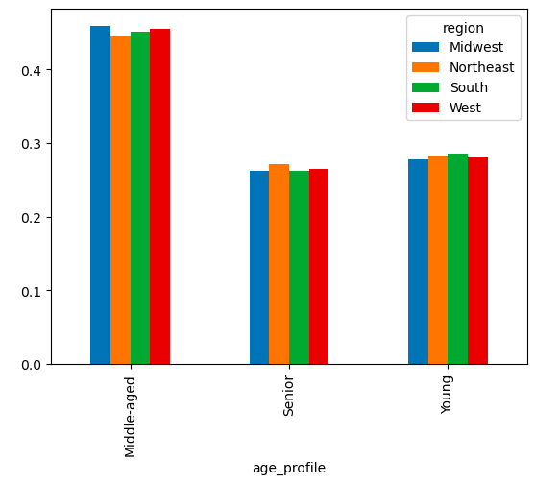
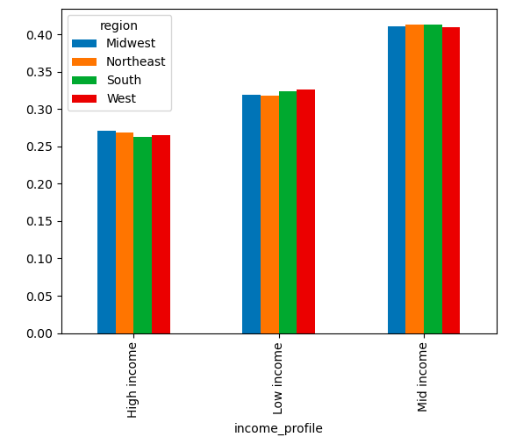
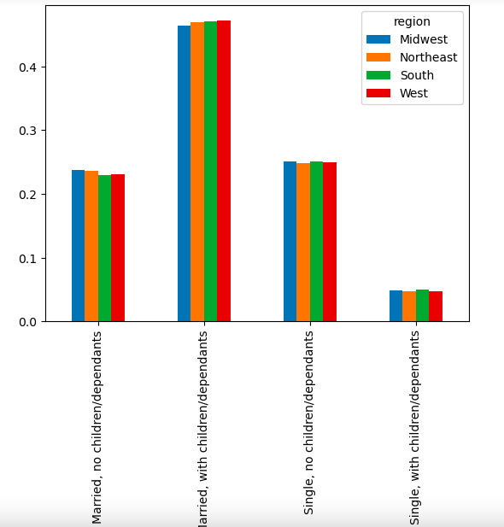

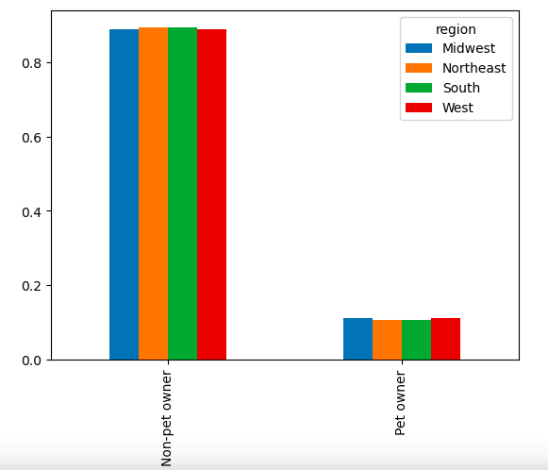
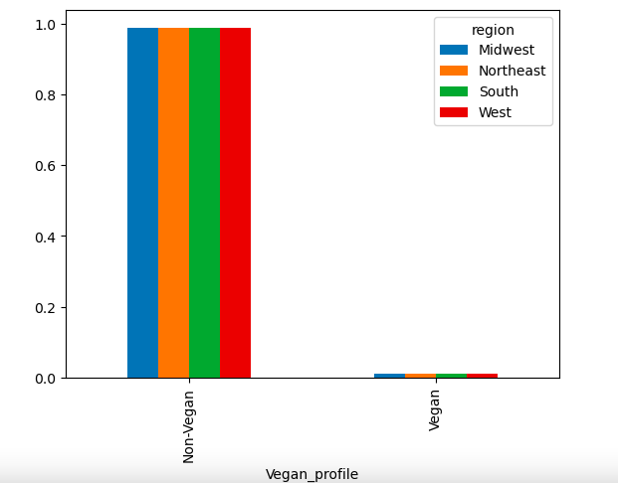

The above charts look at the differences in profiles (age, income, diet, pet ownership and family status) across the different regions. Each of these graphs shows the relative frequency of the various profiles for each region.
There are no noticeable diffrences in the various profiles among the 4 regions.

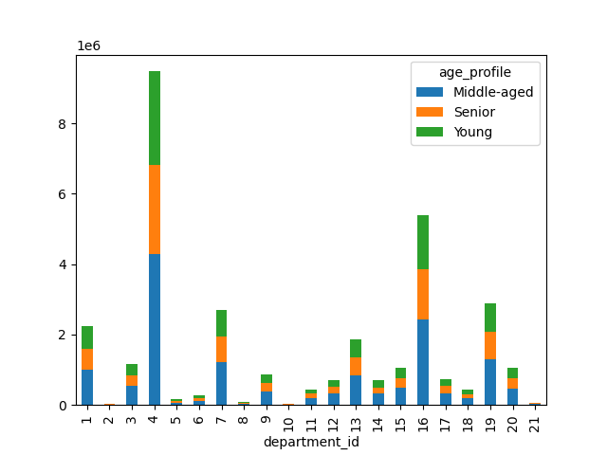
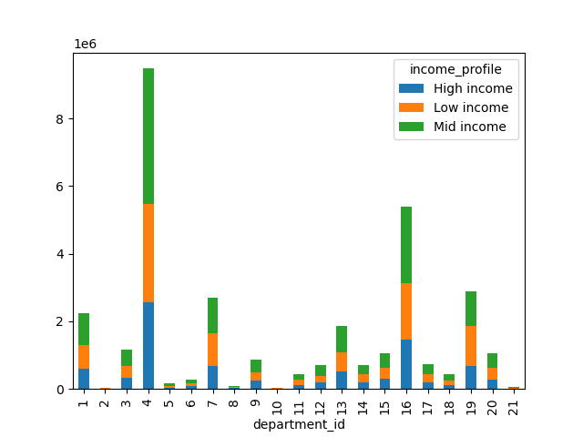
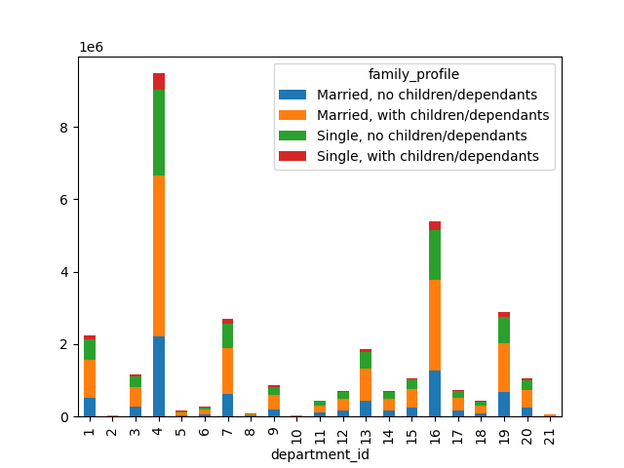

 |  |  |  |  |  |  |  |  | Department Codes
 |  |  |  |  |  |  |  |  | 1 | Frozen
 |  |  |  |  |  |  |  |  | 2 | Other
 |  |  |  |  |  |  |  |  | 3 | bakery
 |  |  |  |  |  |  |  |  | 4 | produce
 |  |  |  |  |  |  |  |  | 5 | alcohol
 |  |  |  |  |  |  |  |  | 6 | international
 |  |  |  |  |  |  |  |  | 7 | beverages
 |  |  |  |  |  |  |  |  | 8 | pets
 |  |  |  |  |  |  |  |  | 9 | dry goods pasta
 |  |  |  |  |  |  |  |  | 10 | bulk
 |  |  |  |  |  |  |  |  | 11 | personal care
 |  |  |  |  |  |  |  |  | 12 | meat seafood
 |  |  |  |  |  |  |  |  | 13 | pantry
 |  |  |  |  |  |  |  |  | 14 | breakfast
The stacked bar chart above shows the average number of products bought in |  |  |  | The stacked bar chart above shows the average number of products bought in different |  |  |  |  | 15 | canned goods
different departments by different age groups. |  |  |  | departments by different income groups. |  |  |  | The stacked bar chart above shows the average number of products bought in | 16 | dairty eggs
 |  |  |  |  |  |  |  | different department among different family groups. | 17 | household
Different age profiles buy similar amount of products from different departments. |  |  |  | There are slight differences between income levels and types of products bought. |  |  |  | There are little differences such as: | 18 | babies
 |  |  |  | For instance, low income spends slightly more on beverages and snacks. |  |  |  | Single, with children/dependants spend more on alcohol and canned goods. | 19 | snacks
 |  |  |  |  |  |  |  | Single, with children and single with no children spend more on pets. | 20 | deli
 |  |  |  |  |  |  |  | Married with no children spend more on bulk. | 21 | missing

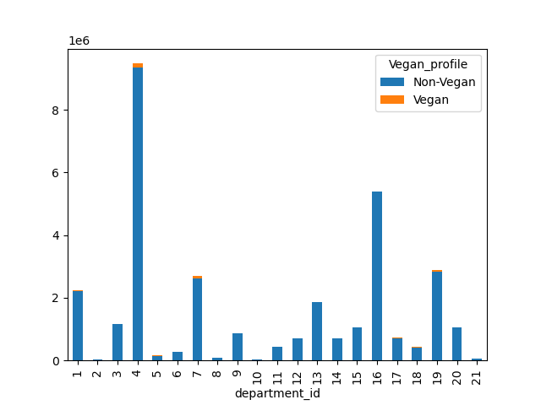
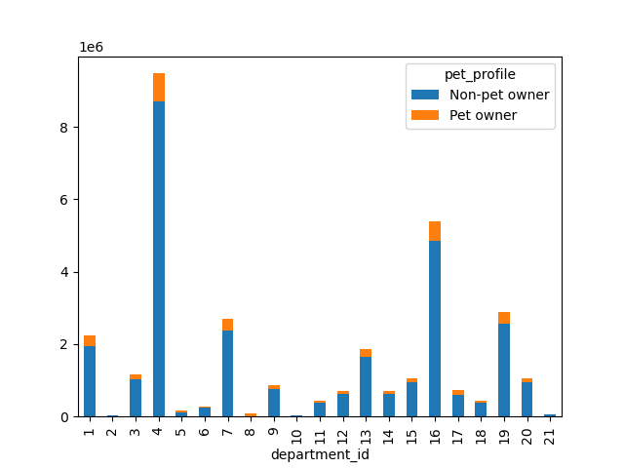

The stacked bar chart above shows the average number of products bought in |  |  |  |  | The stacked bar chart above shows the average number of products bought in different
different department by vegan vs non vegan customers. |  |  |  |  | departments by pet owners vs non pet owner customers.

Non-vegans spend more on frozen, bakery, dry goods, meat/seafood, pantry, |  |  |  |  | Non-Pet owners spend more on produce, dairy/eggs, babies and snacks,
canned goods, dairy/eggs and deli. |  |  |  |  | whether as pet owners spend more on frozen, alcohol, beverages, pets, dry goods,
Vegans don’t buy meat/seafood or dairy/eggs and spend more on produce, alcohol, |  |  |  |  | personal care, pantry and household.
beverages, personal care, household and snacks.

7. Recommendations
 |  |  |  |  |  |  | Title page

Visualisations

Key Questions
1. What are the busiest days of the week and busiest hours of the day?

 | This bar chart shows the number of orders (y-axis) by day of the week (x-axis). |  |  |  |  | RECOMMENDATION:
 | The days of the week are: |  |  |  |  | To increase revenue, Instacart should offer discounts/ focus on heaving up advertising on Tuesdays and Wednesdays,
 | 0 = Saturday |  |  |  |  | the least busiest days of the week.
 | 1 = Sunday |  |  |  |  | Instacart should offer discounts/focus on advertisements between 6pm and 8am, the least busy hours.
 | 2 = Monday
 | 3 = Tuesday
 | 4= Wednesday
 | 5 = Thursday
 | 6= Friday

 | The busiest days of the week are: Saturday, Sunday and Friday

 | This histogram chart shows the number of orders (y-axis) by hour of the day (x-axis).
 | The hours of the day are nummered by military time.

 | The busiest hours of the day are from 10-17 (10am-5pm).
 | The least busiest hours of the day are from 23-6 (11pm-6am).

2. Are there particular times of the day when people spend the most money?

 |  |  |  |  |  |  |  | RECOMMENDATION:
 | The line chart illustrates the average price of ordered items by the order hour of the day. |  |  |  |  |  |  | Instacart should run more high priced product advertisements in the early mornings
 |  |  |  |  |  |  |  | from 4 am until 7 am.
 | The line chart illustrates that there is not a huge difference in the average price for different hours of the day.
 | The average price for orders peaks at about 4am and is lowest at 10am however the price difference is rather small.

3. Marketing and sales wants to use simpler price range groups to help direct their efforts

See Tab 5 Column Derivations
Frequencies | Conditions:
High-range product: 417678 | > 15 high-range product
Mid-range product: 756450 | price >5 and <=15 mid-range product
Low-range product: 10126321 | <=5 low-range product

Most common products are in the $5 below range

4. Are certain products more popular?

 |  |  |  |  |  |  |  |  |  | RECOMMENDATION:
 |  |  | This bar shows illustrates the number of products bought from various departments. |  |  |  |  |  |  | Strategy 1: instacart can focus on scaling its advertisements on their most popular products such as product, dairy/eggs and snacks.

 |  |  | Departments are coded: 1 frozen, 2 other, 3 bakery, 4 produce, 5 alcohol, 6 international, 7 beverages, |  |  |  |  |  |  | Strategy 2: To increase sales of least popular products, Instacart could focus advertisements or offer discounts on their least popular products such as bulk and pets.
 |  |  | 8 pets, 9 dry goods pasta, 10 bulk, 11 personal care, 12 meat seafood, 13 pantry, 14 breakfast, 15 canned goods,
 |  |  | 16 dairy eggs, 17 household, 18 babies, 19 snacks, 20 deli, 21 missing

 |  |  | The most popular products are produce, following by dairy/eggs and snacks.
 |  |  | The least popular prducts are bulk, other, missing and pets

5. What’s the distribution among users in regards to their brand loyalty (i.e., how often do they return to Instacart)?

 |  |  |  |  |  |  | RECOMMENDATION:
 |  |  | This bar chart shows 3 different types of customer groups: Loyal customers, |  |  |  | Instacart can develop/advertise reward or loyalty programs to increase their share of loyal customers.
 |  |  | regular customers and new customers.

 |  |  | Loyal customers have placed more than 40 orders
 |  |  | Regular customers have placed between 10-40 orders
 |  |  | New customers have placed less than 10 orders

 |  |  | Regular customers make about 50% of customers.

6. Are there differences in ordering habits based on a customer’s loyalty status?

 |  |  |  |  |  |  |  |  |  |  | RECOMMENDATION:
 |  |  |  | This stacked bar chart illustrates ordering habits based on customer's loyalty status. |  |  |  |  |  |  | Only bulk and baby products are purchased more by loyal customers than new customers.
 |  |  |  |  |  |  |  |  |  |  | Instacart can consider focusing on tailoring its advertising on bulk or baby product items to
 |  |  |  | Departments are coded: 1 frozen, 2 other, 3 bakery, 4 produce, 5 alcohol, 6 international, 7 beverages, |  |  |  |  |  |  | their loyal customers.
 |  |  |  | 8 pets, 9 dry goods pasta, 10 bulk, 11 personal care, 12 meat seafood, 13 pantry, 14 breakfast, 15 canned goods,
 |  |  |  | 16 dairy eggs, 17 household, 18 babies, 19 snacks, 20 deli, 21 missing

 |  |  |  | Regular customers purchase the most products from various departments. The ordering habits based on loyalty status
 |  |  |  | look pretty consistent, however loyal customers purchase more bulk (10) and baby products (18) than new customers.

7. Are there differences in ordering habits based on a customer’s region?

 |  |  |  |  |  |  |  | RECOMMENDATION:
 |  |  |  |  |  |  |  | Since ordering habits do not seem impacted by a customer's region, Instacart should look at other factors to understand their customers behavior.

 |  |  |  |  | The stacked bar chart above demonstrates the relative amount
The bar graph above displays the proportion of high spends (10 or above) |  |  |  |  | of product ordered from different departments is consistent
and low spenders (under 10) in each region. |  |  |  |  | across all four regions.
The proportion of high spenders is signficantly lower compared to the
proportion of low spends in each of the regions.

The proportion of high spenders compared to lower spender is consistent
among the four regions.

8. Is there a connection between age and family status in terms of ordering habits?

 |  |  |  |  |  |  | RECOMMENDATION:
 |  |  |  |  |  |  | Instacart should focus advertising to ages 40+ who have more income than (40 below).
 |  |  |  |  |  |  | They should invest in understanding this demographic more.

The line chart above illustrates the relationship between customer |  |  |  | The scatterplot above shows the relationship between customer age
age and number of dependants they have. |  |  |  | and income.
There appears no signficant relationship between these two variables.
 |  |  |  | The chart shows that the mjaority of customers earn $200k or under.
 |  |  |  | However, at around age 40+ more customers earn above the $200k mark.
 |  |  |  | This shows that income generlly tends to increase after 40 years of age.

9. What different classifications does the demographic information suggest? Age? Income? Certain types of goods? Family status?

The bar chart above shows the frequency of ages among |  | The bar chart above demonstrates the frequency of different income
customers. The majority of customers are middle-aged |  | groups among customers. The majority of customers have a mid- income.
(between 35 and 65 years of age).

 |  |  |  |  |  | The bar chart above demonstrates the frequency of different family
 |  |  |  |  |  | groups among customers. The majority of customers are married with
 |  |  |  |  |  | children/dependants.

The bar chart above shows the frequency of customers |  | The bar chart above shows the frequency of pet owners among
with a non-vegan and vegan diet. The majority of customers |  | customers. The majority of customers do not have a pet.
are non-vegan.

10. What differences can you find in ordering habits of different profiles?

The above charts look at the differences in profiles (age, income, diet, pet ownership and family status) across the different regions. Each of these graphs shows the relative frequency of the various profiles for each region.
There are no noticeable diffrences in the various profiles among the 4 regions.

 |  |  |  |  |  |  |  |  |  |  |  | Department Codes
 |  |  |  |  |  |  |  |  |  |  |  | 1 | Frozen
 |  |  |  |  |  |  |  |  |  |  |  | 2 | Other
 |  |  |  |  |  |  |  |  |  |  |  | 3 | bakery
 |  |  |  |  |  |  |  |  |  |  |  | 4 | produce
 |  |  |  |  |  |  |  |  |  |  |  | 5 | alcohol
 |  |  |  |  |  |  |  |  |  |  |  | 6 | international
 |  |  |  |  |  |  |  |  |  |  |  | 7 | beverages
 |  |  |  |  |  |  |  |  |  |  |  | 8 | pets
 |  |  |  |  |  |  |  |  |  |  |  | 9 | dry goods pasta
 |  |  |  |  |  |  |  |  |  |  |  | 10 | bulk
 |  |  |  |  |  |  |  |  |  |  |  | 11 | personal care
 |  |  |  |  |  |  |  |  |  |  |  | 12 | meat seafood
 |  |  |  |  |  |  |  |  |  |  |  | 13 | pantry
 |  |  |  |  |  |  |  |  |  |  |  | 14 | breakfast
The stacked bar chart above shows the average number of products bought in |  |  |  | The stacked bar chart above shows the average number of products bought in different |  |  |  |  |  |  |  | 15 | canned goods
different departments by different age groups. |  |  |  | departments by different income groups. |  |  |  |  | The stacked bar chart above shows the average number of products bought in |  |  | 16 | dairty eggs
 |  |  |  |  |  |  |  |  | different department among different family groups. |  |  | 17 | household
Different age profiles buy similar amount of products from different departments. |  |  |  | There are slight differences between income levels and types of products bought. |  |  |  |  | There are little differences such as: |  |  | 18 | babies
 |  |  |  | For instance, low income spends slightly more on beverages and snacks. |  |  |  |  | Single, with children/dependants spend more on alcohol and canned goods. |  |  | 19 | snacks
 |  |  |  |  |  |  |  |  | Single, with children and single with no children spend more on pets. |  |  | 20 | deli
 |  |  |  |  |  |  |  |  | Married with no children spend more on bulk. |  |  | 21 | missing

 |  |  |  |  |  |  |  |  |  | RECOMMENDATION:
 |  |  |  |  |  |  |  |  |  | Instacart should focus tailoring its advertisements based on diet preferences and pet ownership,
 |  |  |  |  |  |  |  |  |  | as these two factors have the largest differences in products bought.
 |  |  |  |  |  |  |  |  |  | Instacart should also target high income households who have more disposable income.
 |  |  |  |  |  |  |  |  |  | Age, income and family status do not have any large differences in types of products bought.
 |  |  |  |  |  |  |  |  |  | However, if instacart targets low income households in their advertising they should focus on highlight beverages and snacks.

The stacked bar chart above shows the average number of products bought in |  |  |  |  | The stacked bar chart above shows the average number of products bought in different
different department by vegan vs non vegan customers. |  |  |  |  | departments by pet owners vs non pet owner customers.

Non-vegans spend more on frozen, bakery, dry goods, meat/seafood, pantry, |  |  |  |  | Non-Pet owners spend more on produce, dairy/eggs, babies and snacks,
canned goods, dairy/eggs and deli. |  |  |  |  | whether as pet owners spend more on frozen, alcohol, beverages, pets, dry goods,
Vegans don’t buy meat/seafood or dairy/eggs and spend more on produce, alcohol, |  |  |  |  | personal care, pantry and household.
beverages, personal care, household and snacks.

